About AIHR


Interviewer 1
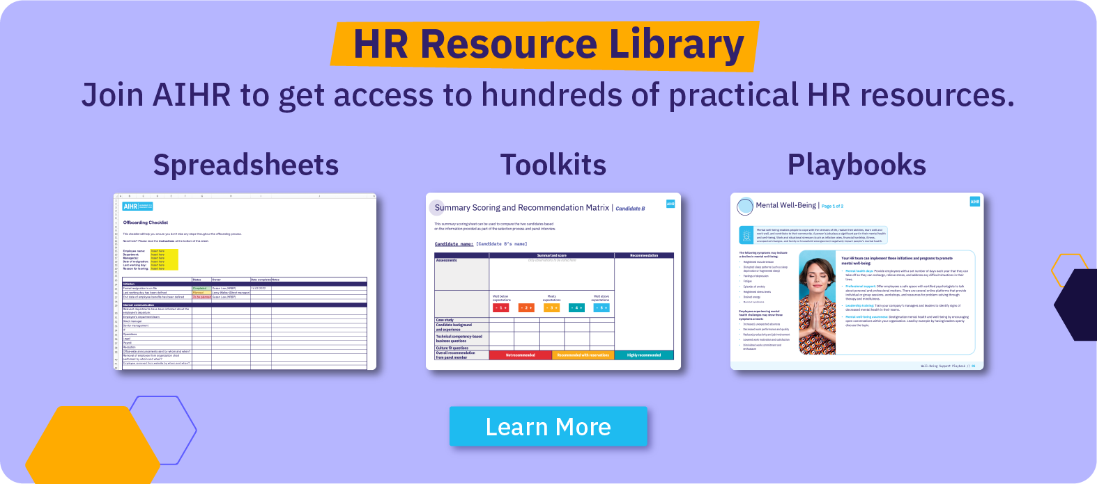

Interview Evaluation Template - Interviewer 1

Use this sheet to conduct structured interviews either by yourself or with a panel. If you're using a panel, share the sheet with all members and let each member use it to evaluate candidates. After all interviews are done, combine the data into one sheet. You'll find an auto-generated final score for each candidate on the "Final Overview" tab.

Need more help on this tab? Please read the instructions at the bottom of this sheet.

Role | Insert role title
Role description | Insert role description
Panel member | Insert interviewer name

Category | Weighting of category | Interview Questions | Candidate 1 | Insert name | Candidate 2 | Insert name | Candidate 3 | Insert name | Candidate 4 | Insert name
 |  |  | Date | Insert date | Date | Insert date | Date | Insert date | Date | Insert date
 |  |  | Interview method |  | Interview method |  | Interview method |  | Interview method
Background and experience: This section provides background and context based on the candidate’s CV. |  | Example Questions: | Score | Score will be calculated automatically | Score | Score will be calculated automatically | Score | Score will be calculated automatically | Score | Score will be calculated automatically
 |  | 1. Walk me through your background and experience that led you to this point in your career. |  | Comments: |  | Comments: |  | Comments: |  | Comments:
 |  | 2. Can you provide an overview of your current role and responsibilities, specifically emphasizing the skills and experiences that make you a strong fit for this position?
 |  | 3. Describe a specific project or accomplishment from the past three to five years that you are particularly proud of.
 |  | 4. What was the most challenging aspect of that project or accomplishment?
 |  | 5.Imagine you're mentoring a recent graduate or someone transitioning into your field. What advice or guidance would you provide to help them navigate and succeed in this industry?
 |  | 6. What aspects of this role and its responsibilities resonate with your professional goals and interests?
Technical competency-based business questions: This section covers specific competencies relevant for a given role. |  | Example Questions: | Score | Score will be calculated automatically | Score | Score will be calculated automatically | Score | Score will be calculated automatically | Score | Score will be calculated automatically
 |  | 1. Tell us about your experience in implementing new company policies or programs. |  | Comments: |  | Comments: |  | Comments: |  | Comments:
 |  | 2. The HR Specialist position requires strict compliance with labor policies. What experience do you have to help you research and follow these policies?
 |  | 3. How do you identify training needs? How would you conduct a skills gap analysis?
 |  | 4. How do you determine if the training program was effective? What’s the best way to assess how training impacts employees’ performance?
Culture fit: The questions in this section help the interviewer better understand how the candidate aligns with the organization's values. |  | Example Questions: | Score | Score will be calculated automatically | Score | Score will be calculated automatically | Score | Score will be calculated automatically | Score | Score will be calculated automatically
 |  | 1. How would you describe your preferred work environment and company culture? |  | Comments: |  | Comments: |  | Comments: |  | Comments:
 |  | 2. Can you provide an example of a time when you had to adapt to a new work culture or environment? How did you handle it?
 |  | 3. Tell me about a time when you faced a challenge or conflict within a team. How did you contribute to resolving it while maintaining a positive working relationship?
 |  | 4. What steps do you take to ensure open and effective communication with your colleagues and team members?
 |  | 5. Please share an example of a time when you received constructive feedback and how you responded to it.
Total score per candidate |  |  | The score will be calculated automatically as you rate each section |  | The score will be calculated automatically as you rate each section |  | The score will be calculated automatically as you rate each section |  | The score will be calculated automatically as you rate each section
Recommendation for candidate |  |  | Recommendation for candidate will be displayed automatically |  | Recommendation for candidate will be displayed automatically |  | Recommendation for candidate will be displayed automatically |  | Recommendation for candidate will be displayed automatically

Instructions
1. At the top of the sheet, fill in the role you're interviewing for (C14), the role description (C15), and the name of the panel member (C16).
2. List your candidates in row 18, the date of the interview in row 19, and select the interview method in row 20.
3. Select the relevance of each category of questions in column C. This will help you generate a weighted score.
4. Score each of your candidates from 1 (well below average) to 5 (well above average) in column E. You can replace the example questions listed with questions that suit your context.
5. Make sure to score at least one question per category.
6. You can add comments per candidate in the comments fields.
7. Upon rating your candidates on each question, you will you will receive a total score in row 39 and a respective recommendation in row 40.

